VTN TP NW EU
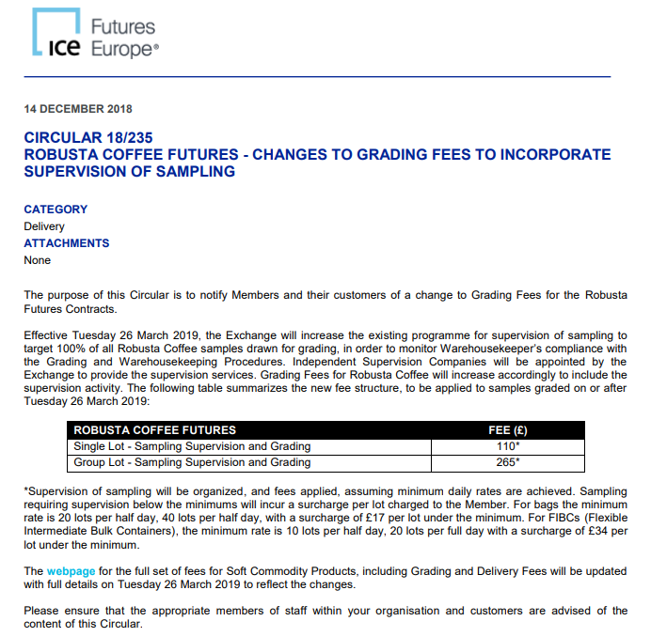
Vietnam Gr2 5% Robusta to ANT |  |  |  |  |  |  | Comments
Item | per mt | Risks/Notes |  |  | Shipping HCMC / EU |  |  |  | Cash convergence |  |  | SD
Origin Costs |  |  | Future |  | Price per container | $3,400 | Big bags, 20MT per container | 20 | 5036 | 0 | FUT | Cash Convergence
London Terminal | 5036 |  | LRCFH5 |  | Price per MT | $170 |  |  | 4642 | -394 | FOB | Freight ANT | 75
FOB Diff $/MT | -394 | Packing: big bags |  |  |  |  |  |  | 4702 | 60 | CIF | LIW | 5
Survey and weighing | 0 |  |  |  | THC |  | Potentially to be increased 5-10% next year |  | 4730 | 28 | Finance | Insurance | 1
GBP/USD | 1.254 |  |  |  |  |  |  |  | 4765 | 35 | CIF/FOT | Financing 2 Mth | 20
EUR/USD | 1.0480 |  |  |  | Price per container | € 200 |  |  | 4780 | 15 | prem Rej | CIF to EXW | 35
Total origin cost | $4,642 |  |  |  | Price per MT | $10 |  |  | 4792 | 12 | Grd/Tender | EXW to FCA | 38
Shipping Costs |  |  |  |  |  |  |  |  | 4822 | -30 | Class I/II | Tender + Broker | 7
Shipment |  | VTN to Norther Europe 30d |  |  | CIF to FCA |  | Negotionable |  | 5036 |  | FUT | Samples | 1
Document Delivery, Processing, Payment | $1 | €300 per bill of lading |  |  | Price per MT | € 30.00 |  |  | (214) |  | Convergence | Allowance | 15
Ocean freight to warehouse | $170 | Incl container dressing. Lower rates possible for large/frequent volumes. Warehouse needs be reserved (was $104) |  |  |  |  |  |  |  |  |  | Basis | -130
Marine Insurance | $1 | Up to 0.3% per voyage. Covers losses visible to extreior of bag. Not for quality deteriation |  |  | https://www.theice.com/publicdocs/circulars/16047_attach.pdf |  |  |  |  |  |  | Cash convergence | 67
Customs broker and duties | $- | Incl in FOB |  |  | https://www.theice.com/publicdocs/circulars/18235.pdf
Unload, truck to warehouse | $- | NA see CIF to FCA |  |  | https://www.theice.com/publicdocs/futures/IFEu_Fees_Energy_Softs_Commodities_Products.pdf
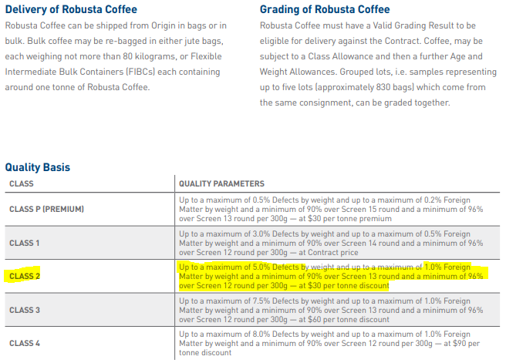
Survey for landed quality | $- | NA
Ocean weight loss/Shrink | $12 | Sales usually "quality and weight on departure". If shipped w 7.5% moisture, 1/4-1/2%. Mold or FFA counts is a risk | 0.25%
USDA, FDA, govt inspections |  | NA
Strip container, build lots | $- | NA |  |  |  |  |  |  |  |  |  | Day | Lots
THC | $10 | Terminal Handling Costs (incl tendering costs ex Grading fees) |  |  |  |  |  |  |  |  |  | 1 | 5
CIF to FCA | $10 | Vollers discounted rate for terminal, negotionable w other WH | nr months |  |  |  |  |  |  |  |  | 2 | 5
Warehouse rent | $11 | Eur 1.30 / week | 2 |  |  |  |  |  |  |  |  | 3 | 5
Warehouse weight loss | $23 | 0.25% handling loss | 0.50% |  |  |  |  |  |  |  |  | 4 | 5
Warehouse insurance | $- | Up to 3/m |  |  |  |  |  |  |  |  |  | 5 | 5
Total Shipping and Storage | $238 |  |  |  |  |  |  |  |  |  |  | 6 | 5
Tendering Costs |  | Beans must be in original, unstained burlap bags |  |  |  |  |  |  |  |  |  | 7 | 5
Exchange re-weighting | $- | wh |  |  |  |  |  |  |  |  |  | 8 | 10
Warehouse weight loss | $- | NA |  |  |  |  |  |  |  |  |  | 9 | 10
Exchange docs preparation | $- | NA |  |  |  |  |  |  |  |  |  | 10 | 10
Deliver samples to grading room | $- | NA |  |  |  |  |  |  |  |  |  | 11 | 10
Grading fees | $10.0 | Grading procedure E1.8, latest GBP 110 Single Lot / GBP 265 Group Lot |  |  |  |  |  |  |  |  |  | 12 | 20
Other tendering fees | $- | NA |  |  |  |  |  |  |  |  |  | 13 | 25
Total Tendering | $10 |  | nr months | Rate |  |  |  |  |  |  |  | 14 | 30
Interest | $116 | X months. Proceeds paid last business day of month | 3 | 9.50% |  |  |  |  |  |  |  |  | 150
Total shipping/tendering/interest | $364
Total Costs | $5,006
Revenue | $5,006
London Terminal | 5036
Class Premium/discount | (30) | Class II
Total Revenue | $5,006
Profit or Loss | $0

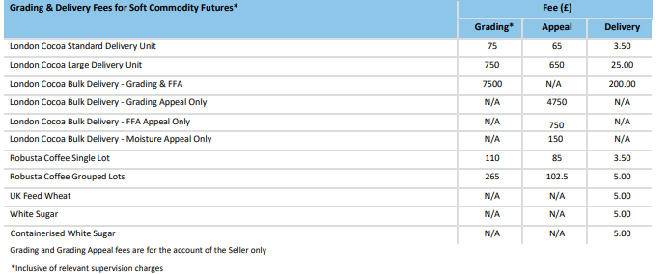

 |  | 265
 |  | 5.3
 |  | 5.989

SW TP NW EU
Semi Washed Brazil Arabica to NW EU |  |  |  |  |  |  | Comments | MT to c/lbs | 22.04621
Item | /mt | Risks/Notes |  |  | Shipping Santos / EU
Origin Costs |  |  | Future |  | Price per container | $1,650 | Big bags, 20MT per container
New York Terminal | 353.0 |  | KCH4 |  | Price per MT | $83
FOB Diff $c/lbs | -18 |  | 16 | cts/lbs
Survey and weighing | 0 |  |  |  | THC |  | Potentially to be increased 5-10% next year
EUR/USD | 1.1075
Total origin cost | $335 |  |  |  | Price per container | € 220
Shipping Costs |  |  |  |  | Price per MT | $10
Shipment |  | Santos to Northern Europe 30d
Document Delivery, Processing, Payment | $1 | €300 per bill of lading |  |  | CIF to FCA |  | Negotionable
Ocean freight to warehouse | $3.7 | Incl container dressing. Lower rates possible for large/frequent volumes. Warehouse needs be reserved (was $104) |  |  | Price per MT | € 18.50
Marine Insurance | $1 | Up to 0.3% per voyage. Covers losses visible to extreior of bag. Not for quality deteriation
Customs broker and duties | $- | Incl in FOB |  |  | https://www.theice.com/products/15/Coffee-C-Futures
Unload, truck to warehouse | $- | NA see CIF to FCA |  |  | https://www.theice.com/publicdocs/circulars/18235.pdf
Survey for landed quality | $- | NA |  |  | https://www.theice.com/publicdocs/futures/IFEu_Fees_Energy_Softs_Commodities_Products.pdf
Ocean weight loss/Shrink | $1 | Sales usually "quality and weight on departure". If shipped w 7.5% moisture, 1/4-1/2%. Mold or FFA counts is a risk
USDA, FDA, govt inspections |  | NA | 0.25%
Strip container, build lots | $- | NA
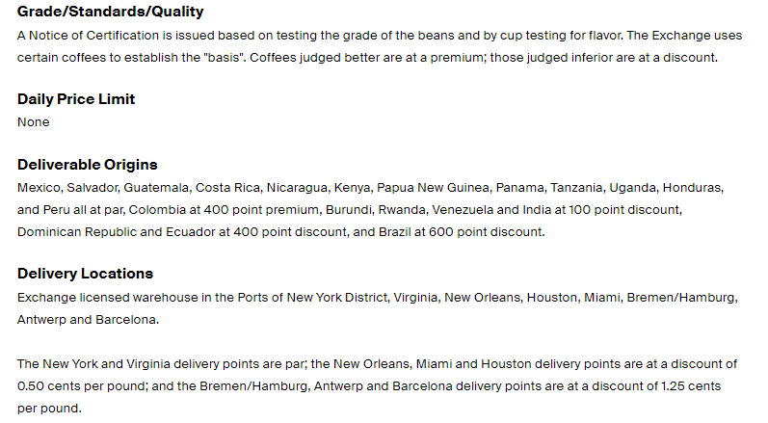
THC | $0.5 | Terminal Handling Costs (incl tendering costs ex Grading fees)
CIF to FCA | $0.8 | Vollers discounted rate for terminal, negotionable w other WH
Warehouse rent | $0.5 | Eur 1.30 / week | nr months
Warehouse weight loss | $0.0 | 0.25% handling loss | 2
Warehouse insurance | $- | Up to 3/m | 0.25%
Total Shipping and Storage | $8
Tendering Costs |  | Beans must be in original, unstained burlap bags
Exchange re-weighting | $- | NA
Warehouse weight loss | $- | NA
Exchange docs preparation | $- | NA
Deliver samples to grading room | $- | NA
Grading fees | $1.0 | Grading procedure E1.8, latest GBP 110 Single Lot / GBP 265 Group Lot
Other tendering fees | $- | NA
Total Tendering | $1
Interest | $4 | X months. Proceeds paid last business day of month | nr months | Rate
Total shipping/tendering/interest | $13 |  | 2 | 7.00%
Total Costs | $348
Revenue | $347
New York Terminal | $353
Origin Premium/Discount | (6) | Brazil -600 point discount
Location Premium/Discount | (1)
Allowance
Total Revenue | $346
Profit or Loss | $(1)

 |  | 265
 |  | 5.3
 |  | 5.989

Hondo TP to NW EU
Semi Washed Brazil Arabica to NW EU |  |  |  |  |  |  |  | Comments | MT to c/lbs | 22.04621
Item | /mt | Risks/Notes |  |  |  | Shipping Santos / EU
Origin Costs |  |  | Future |  |  | Price per container | $1,800 | Big bags, 20MT per container
New York Terminal | 293.0 |  | LRCH3 |  |  | Price per MT | $90
FOB Diff $c/lbs | -10 |  | 16 | cts/lbs
Survey and weighing | 0 |  |  |  |  | THC |  | Potentially to be increased 5-10% next year
GBP/USD | 1.271
EUR/USD | 1.1600 |  |  |  |  | Price per container | € 220
Total origin cost | $283 |  |  |  |  | Price per MT | $9
Shipping Costs
Shipment |  | VTN to Norther Europe 30d |  |  |  | CIF to FCA |  | Negotionable
Document Delivery, Processing, Payment | $1 | €300 per bill of lading |  |  |  | Price per MT | € 18.50
Ocean freight to warehouse | $4 | Incl container dressing. Lower rates possible for large/frequent volumes. Warehouse needs be reserved (was $104)
Marine Insurance | $1 | Up to 0.3% per voyage. Covers losses visible to extreior of bag. Not for quality deteriation |  |  |  | https://www.theice.com/products/15/Coffee-C-Futures
Customs broker and duties | $- | Incl in FOB |  |  |  | https://www.theice.com/publicdocs/circulars/18235.pdf
Unload, truck to warehouse | $- | NA see CIF to FCA |  |  |  | https://www.theice.com/publicdocs/futures/IFEu_Fees_Energy_Softs_Commodities_Products.pdf
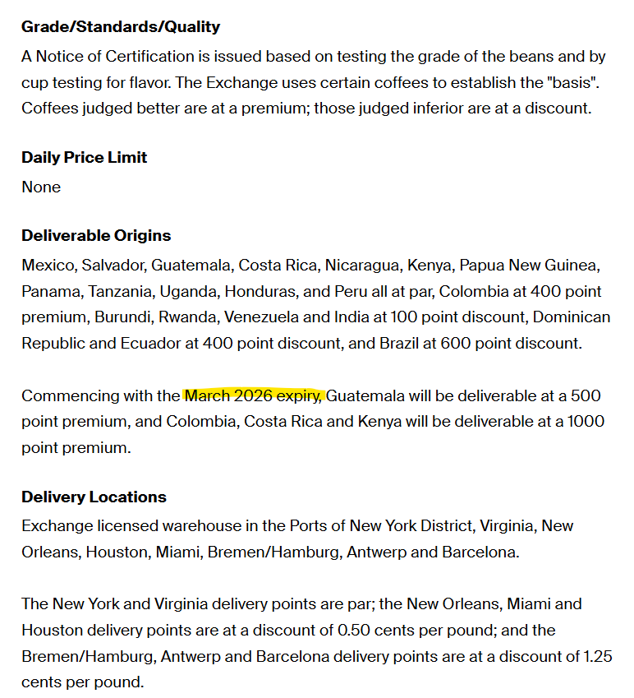
Survey for landed quality | $- | NA
Ocean weight loss/Shrink | $1 | Sales usually "quality and weight on departure". If shipped w 7.5% moisture, 1/4-1/2%. Mold or FFA counts is a risk | 0.25%
USDA, FDA, govt inspections |  | NA
Strip container, build lots | $- | NA
THC | $0.4 | Terminal Handling Costs (incl tendering costs ex Grading fees)
CIF to FCA | $0.7 | Vollers discounted rate for terminal, negotionable w other WH | nr months
Warehouse rent | $0.4 | Eur 1.30 / week | 1.5
Warehouse weight loss | $0.0 | 0.25% handling loss | 0.25%
Warehouse insurance | $- | Up to 3/m
Total Shipping and Storage | $8
Tendering Costs |  | Beans must be in original, unstained burlap bags
Exchange re-weighting | $- | NA
Warehouse weight loss | $- | NA
Exchange docs preparation | $- | NA
Deliver samples to grading room | $- | NA
Grading fees | $1.0 | Grading procedure E1.8, latest GBP 110 Single Lot / GBP 265 Group Lot
Other tendering fees | $- | NA
Total Tendering | $1 |  | nr months | Rate
Interest | $3 | X months. Proceeds paid last business day of month | 1.5 | 7.00%
Total shipping/tendering/interest | $12
Total Costs | $295
Revenue | $298
New York Terminal | $293 |  |  |  | 5.3
Origin Premium/Discount | 5
Location Premium/Discount
Allowance
Total Revenue | $298
Profit or Loss | $3

 |  | 265
 |  | 5.3
 |  | 5.989

Tender Parity Calc Arabica
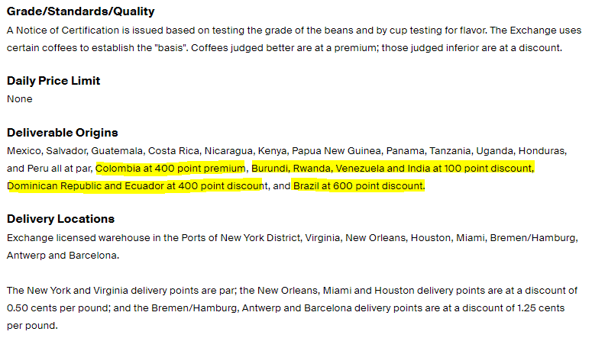
Tender Parity Calcs Arabica

Tender parity calculations Arabica |  |  |  |  | Total Actual Cost | Assumptions
 |  |  |  |  |  | 2 month financing
 |  |  |  |  |  | Average freight
Cost Category | Brazil | Honduras | Peru | Colombia | Mex | In Store cost average for all ports
Sea Freight | $6.00 | $8.00 | $8.00 | $8.00 | $8.00 | Market basis: NY Dec18
Loss in Weight | $0.20 | $0.40 | $0.30 | $0.20 | $0.30 | Rejection % based on 10%
Insurance | $0.04 | $0.04 | $0.04 | $0.04 | $0.04
Financing (6%) | $1.05 | $1.20 | $1.20 | $1.40 | $1.20
CIF to INS | $1.90 | $1.90 | $1.90 | $1.90 | $1.90
Tender costs | $0.75 | $0.75 | $0.75 | $0.75 | $0.75
Rejections | $0.75 | $0.95 | $0.75 | $0.75 | $0.75
Premium/Discount (- prem) | $6.00 | $0.00 | $0.00 | -$4.00 | $0.00
Total | $16.69 | $13.24 | $12.94 | $9.04 | $12.94

In this scenario Brazil TP equivalent would be -17 cts FOB
In this scenario Honduras TP equivalent would be -7,14 cts FOB
In this scenario Peru equivalent would be -7,14 cts FOB
In this scenario Colombia equivalent would be -2,94 cts FOB
In this scenario Mexico TP equivalent would be -6,94 cts FOB

